Sheet1
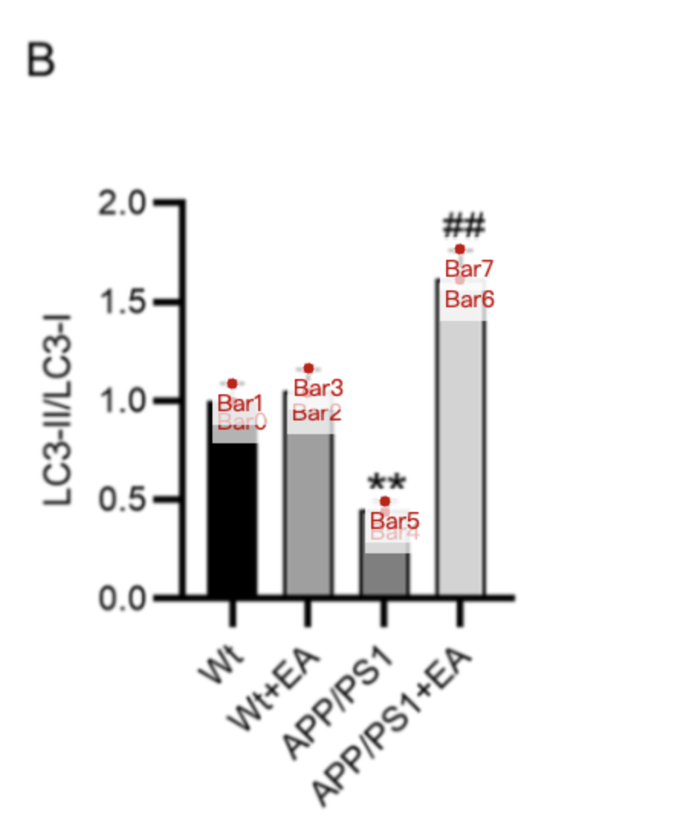
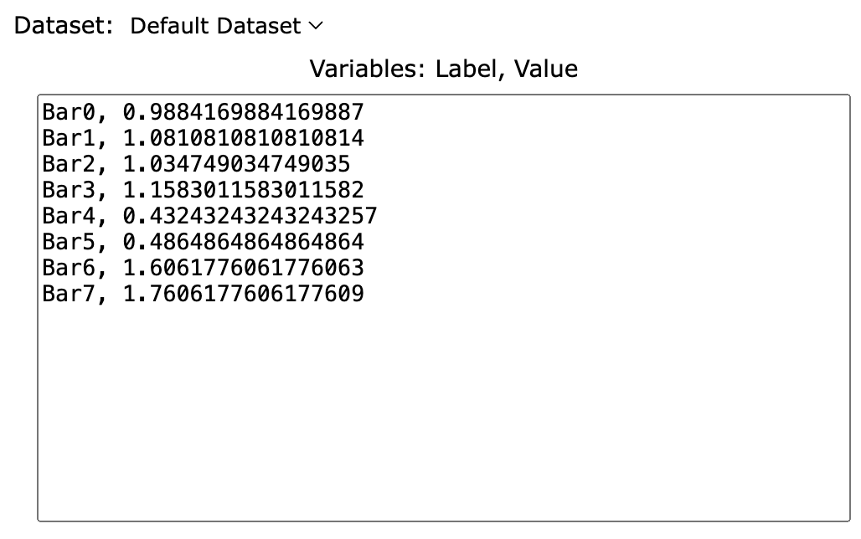
Treatment Groups | WT_LC3II/LC3I | WT+EA_LC3II/LC3I | APP/PS1_LC3II/LC3I | APP/PS1+EA_LC3II/LC3I
mean | 0.98841698842 | 1.0347490347 | 0.43243243243 | 1.6061776062
sd | 0.09266409266 | 0.1235521236 | 0.05405405405 | 0.1544401544
mean+sd | 1.0810810811 | 1.1583011583 | 0.48648648649 | 1.7606177606

